expected visualization
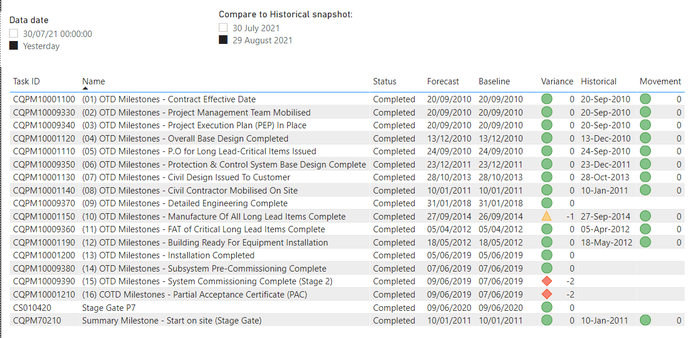
INSTRUCTIONS
With the use of Power BI Desktop create a report with the data available in adjacent worksheets. The report shall present: 1. Slicer to select data date, to see data as per selected snapshot time 2. Slicer to select historical snapshot date, used to populate Historical and Movement column 3. Table with milestone ID, Name, Status, Forecast date, Baseline date, Variance, Historical date, Movement, where Historical date is forecast date from historical snapshot 4. Variance column logic = Baseline - Forecast 5. Movement column logic = Historical - Forecast 6. If there is a new milestone, which doesn't exist in the historical snapshots, Historical and Movement column should be empty 7. For Variance and Movement columns color indicators should be enabled: # if x =>0 Green # if -10<=x<0 Yellow # if x < -10 Red Mock up below. While buidling data model please have in mind scalability (e.g. in future there would be n of snapshots, at the end of every month)

